Sumary
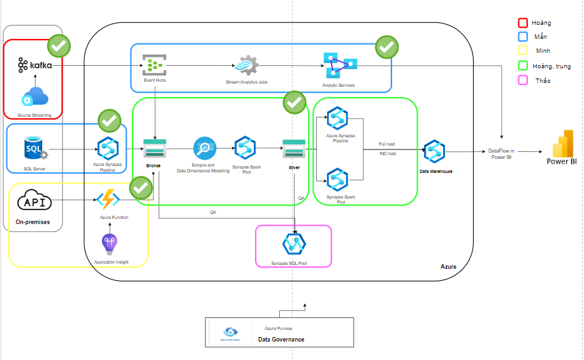
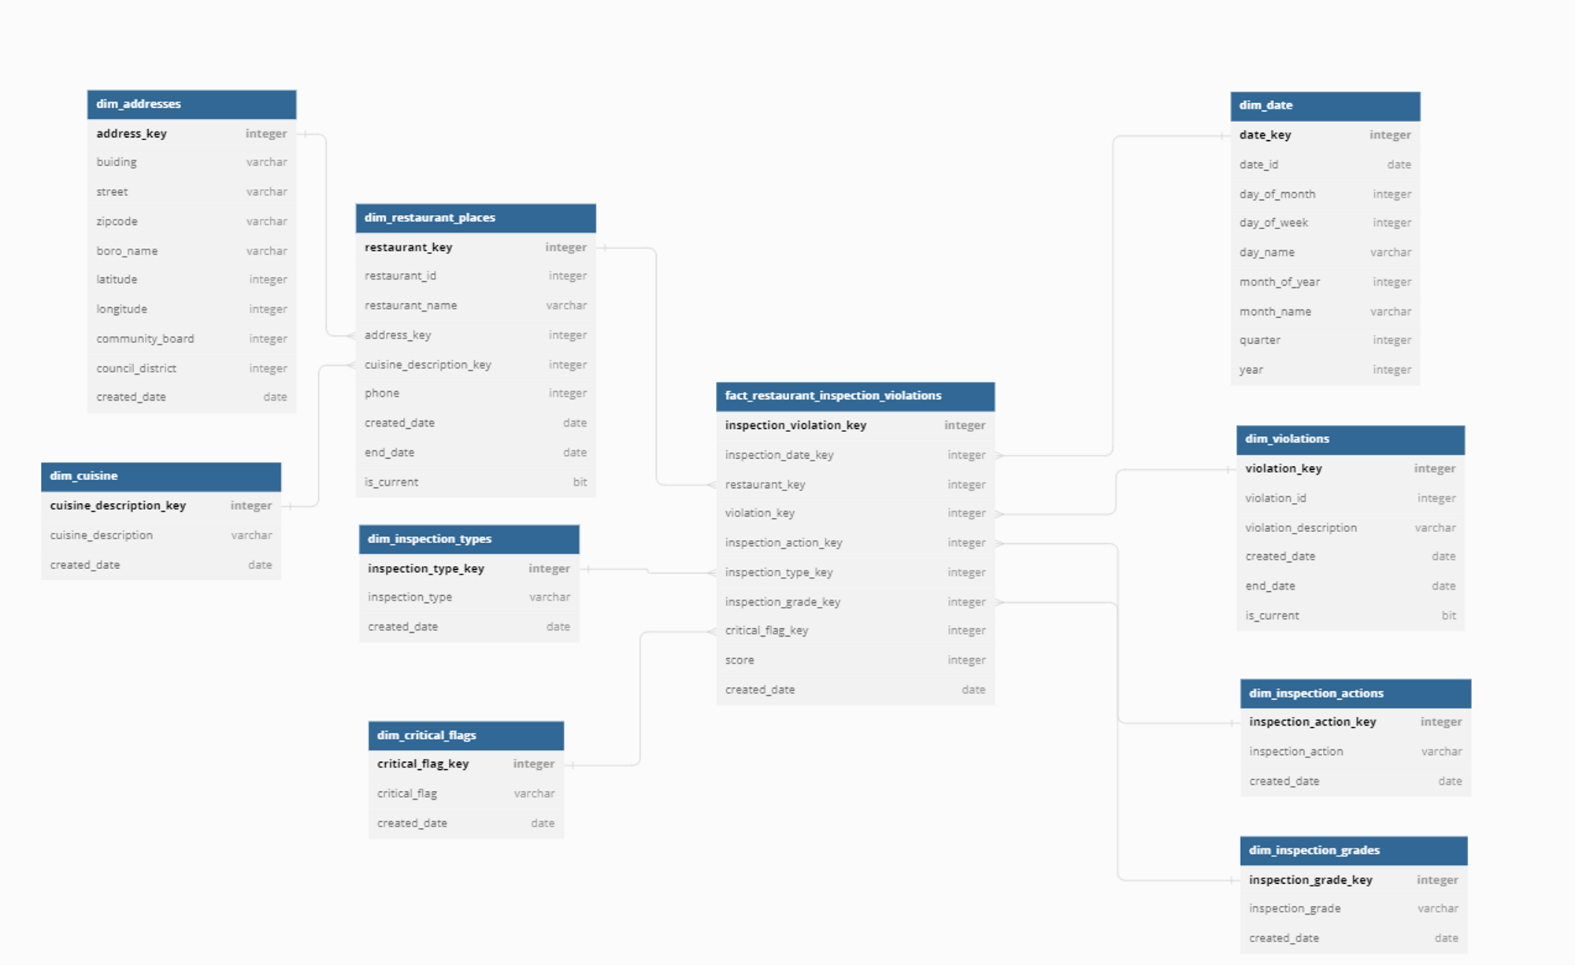
No | Source Name | To DataLake |  |  |  | To DW/Data Mart |  |  |  | BI |  |  |  | Note
 |  | DA Task | Assignee | ETA | Status | DW Task | Assignee | ETA | Status | DW Task | Assignee | ETA | Status
1 | Kafka | Set up environment for streaming data - Kafka | Hoàng Nguyễn |  | Done | Explore some services streaming in Azure (Eventhub, Streaming Analystic, Analytic Service) | Mẫn Lê |  | Done
2 | SQL Server | Set up SQL server and Integration running connect Azure | Mẫn Lê |  | Done
3 | API | Create Azure function to get data from API and ingest to Data Lake | Minh Lê |  | Done
4 |  |  |  |  |  | EDW - Explore data and design data modeling | Trung Vũ |  | Done |  |  |  |  | Trung, Hoang
5 |  | [Bronze-Silver] Copy data from Bronze to Silver | Trung Vũ |  | Done
6 |  | Handle issues related to policy and grant permission in sub-account | Hoàng Nguyễn |  | Done
7
8 |  |  |  |  |  | Transform data - dim_cuisine | Trung Vũ | 26/05/2023 | Done
9 |  |  |  |  |  | Transform data - dim_addresses | Trung Vũ | 26/05/2023 | Done
10 |  |  |  |  |  | Transform data - dim_insprection_actions | Mẫn Lê | 29/05/2023 | Done
11 |  |  |  |  |  | Transform data - dim_violations | Trung Vũ | 30/05/2023 | Done
12 |  |  |  |  |  | Transform data - dim_restaurant_place | Trung Vũ | 29/05/2023 | Done
13 |  |  |  |  |  | Transform data - fact_restaurant_inspections | Hoàng Nguyễn | 30/05/2023 | Done
14 |  |  |  |  |  | Transform data - dim_date | Trung Vũ | 26/05/2023 | Done
15 |  |  |  |  |  | Transform data - fact_resturant_inspection_violations | Minh Lê | 30/05/2023 | Done |  |  |  |  | Handle error in transform
16 |  |  |  |  |  | Transform data - dim_inspections_types | Mẫn Lê | 26/05/2023 | Done
17 |  |  |  |  |  | CI/CD | Hoàng Nguyễn | 31/05/2023 | On-progress |  |  |  |  | Minh support
18 |  |  |  |  |  |  |  |  |  | Dashboard | Mẫn Lê | 2023-01-06 | On-progress
 |  |  |  |  |  |  |  |  |  | Wiki page | Thảo Ngô | 2023-01-06 | On-progress | Trung support
19 |  |  |  |  |  |  |  |  |  | Powerpoint | Thảo Ngô | 2023-01-06 | On-progress | Trung, Hoang, Minh support
20 |  |  |  |  |  |  |  |  |  | Break session in present | Hoàng Nguyễn | 2023-01-06 | To do

 |  |  |  |  |  |  |  |  | Note | Account will be disable because not enough money

 |  | Man - I have already attached high-level file in TMA Box. Everyone should modified via
 |  | https://box.tma.com.vn/index.php/f/13476810

